10 Transactions
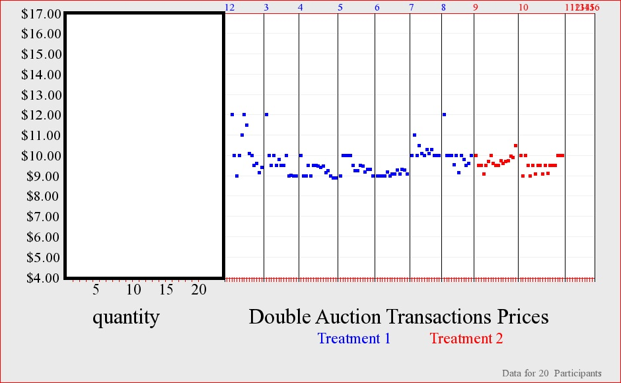
 |  |  | BUYERS |  |  |  |  |  |  | SELLERS |  |  | TRANSACTION SEQUENCE
Round | ID | Unit | Value | Market_Price | Earnings |  | Round | ID | Unit | Cost | Market_Price | Earnings
2 | 1 | 1 | 14 | 9.99 | 4.01 |  | 2 | 11 | 1 | 5 | 9.5 | 4.5
2 | 1 | 2 | 14 | 12 | 2 |  | 2 | 11 | 2 | 8 | 9.4 | 1.4
2 | 3 | 1 | 14 | 12 | 2 |  | 2 | 12 | 1 | 6 | 12 | 6
2 | 4 | 1 | 14 | 11 | 3 |  | 2 | 12 | 2 | 7 | 12 | 5
2 | 4 | 2 | 11 | 10.1 | 0.9 |  | 2 | 13 | 1 | 9 | 11 | 2
2 | 6 | 1 | 12 | 10 | 2 |  | 2 | 14 | 1 | 7 | 11.5 | 4.5
2 | 6 | 2 | 11 | 10.01 | 0.99 |  | 2 | 15 | 1 | 7 | 9 | 2
2 | 7 | 1 | 10 | 9.5 | 0.5 |  | 2 | 16 | 1 | 5 | 10.01 | 5.01
2 | 8 | 1 | 14 | 9 | 5 |  | 2 | 16 | 2 | 7 | 9.15 | 2.15
2 | 8 | 2 | 10 | 9.15 | 0.85 |  | 2 | 18 | 1 | 5 | 10 | 5
2 | 9 | 1 | 12 | 11.5 | 0.5 |  | 2 | 18 | 2 | 8 | 9.6 | 1.6
2 | 9 | 2 | 10 | 9.6 | 0.4 |  | 2 | 19 | 1 | 4 | 9.99 | 5.99
2 | 10 | 1 | 10 | 9.4 | 0.6 |  | 2 | 19 | 2 | 9 | 10.1 | 1.1
 |  |  |  | Total = | 22.75 |  |  |  |  |  | Total = | 46.25
 |  |  |  |  |  | Q = | 13
 |  |  |  |  |  | Ave P = | 10.25

3 | 1 | 1 | 10 | 9.5 | 0.5 |  | 3 | 11 | 1 | 5 | 12 | 7
3 | 2 | 1 | 14 | 10 | 4 |  | 3 | 12 | 1 | 5 | 9 | 4
3 | 2 | 2 | 14 | 9.8 | 4.2 |  | 3 | 13 | 1 | 6 | 9.5 | 3.5
3 | 4 | 1 | 14 | 10 | 4 |  | 3 | 13 | 2 | 7 | 9.8 | 2.8
3 | 5 | 1 | 14 | 9.5 | 4.5 |  | 3 | 14 | 1 | 9 | 9.5 | 0.5
3 | 5 | 2 | 11 | 9.5 | 1.5 |  | 3 | 15 | 1 | 7 | 9.5 | 2.5
3 | 6 | 1 | 9 | 9 | 0 |  | 3 | 15 | 2 | 8 | 9.5 | 1.5
3 | 7 | 1 | 12 | 9 | 3 |  | 3 | 16 | 1 | 7 | 9.99 | 2.99
3 | 8 | 1 | 10 | 9.01 | 0.99 |  | 3 | 17 | 1 | 5 | 10 | 5
3 | 9 | 1 | 14 | 12 | 2 |  | 3 | 18 | 1 | 6 | 9.01 | 3.01
3 | 9 | 2 | 10 | 9.5 | 0.5 |  | 3 | 18 | 2 | 7 | 9 | 2
3 | 10 | 1 | 12 | 9.99 | 2.01 |  | 3 | 19 | 1 | 5 | 10 | 5
3 | 10 | 2 | 10 | 9 | 1 |  | 3 | 19 | 2 | 8 | 9 | 1
 |  |  |  | Total = | 28.2 |  |  |  |  |  | Total = | 40.8
 |  |  |  |  |  | Q = | 13
 |  |  |  |  |  | Ave P = | 9.68

4 | 1 | 1 | 12 | 9.47 | 2.53 |  | 4 | 11 | 1 | 4 | 9.4 | 5.4
4 | 1 | 2 | 10 | 9.25 | 0.75 |  | 4 | 11 | 2 | 9 | 9.25 | 0.25
4 | 2 | 1 | 10 | 9.4 | 0.6 |  | 4 | 12 | 1 | 5 | 8.99 | 3.99
4 | 3 | 1 | 14 | 9 | 5 |  | 4 | 13 | 1 | 5 | 9 | 4
4 | 3 | 2 | 14 | 9.5 | 4.5 |  | 4 | 13 | 2 | 8 | 9 | 1
4 | 5 | 1 | 14 | 9 | 5 |  | 4 | 14 | 1 | 6 | 9.15 | 3.15
4 | 5 | 2 | 9 | 8.9 | 0.1 |  | 4 | 15 | 1 | 9 | 9.5 | 0.5
4 | 6 | 1 | 14 | 10 | 4 |  | 4 | 16 | 1 | 7 | 9.49 | 2.49
4 | 6 | 2 | 11 | 9.5 | 1.5 |  | 4 | 16 | 2 | 8 | 8.9 | 0.9
4 | 8 | 1 | 12 | 9 | 3 |  | 4 | 17 | 1 | 7 | 9.47 | 2.47
4 | 8 | 2 | 11 | 8.99 | 2.01 |  | 4 | 18 | 1 | 5 | 10 | 5
4 | 9 | 1 | 10 | 9.49 | 0.51 |  | 4 | 18 | 2 | 7 | 8.9 | 1.9
4 | 9 | 2 | 9 | 8.9 | 0.1 |  | 4 | 19 | 1 | 6 | 9.5 | 3.5
4 | 10 | 1 | 14 | 9.5 | 4.5 |  | 4 | 19 | 2 | 7 | 9.5 | 2.5
4 | 10 | 2 | 10 | 9.15 | 0.85 |  | 4 | 20 | 1 | 5 | 9 | 4
 |  |  |  | Total = | 34.95 |  |  |  |  |  | Total = | 41.05
 |  |  |  |  |  | Q = | 15
 |  |  |  |  |  | Ave P = | 9.27

5 | 1 | 1 | 14 | 9.25 | 4.75 |  | 5 | 11 | 1 | 5 | 9.99 | 4.99
5 | 1 | 2 | 10 | 9.3 | 0.7 |  | 5 | 11 | 2 | 8 | 9.5 | 1.5
5 | 2 | 1 | 12 | 9.99 | 2.01 |  | 5 | 12 | 1 | 4 | 9 | 5
5 | 2 | 2 | 10 | 9.5 | 0.5 |  | 5 | 13 | 1 | 5 | 9.5 | 4.5
5 | 3 | 1 | 10 | 9.26 | 0.74 |  | 5 | 14 | 1 | 5 | 10 | 5
5 | 3 | 2 | 9 | 9 | 0 |  | 5 | 14 | 2 | 8 | 9.3 | 1.3
5 | 4 | 1 | 14 | 9.5 | 4.5 |  | 5 | 15 | 1 | 6 | 9 | 3
5 | 4 | 2 | 14 | 9.2 | 4.8 |  | 5 | 15 | 2 | 7 | 10 | 3
5 | 6 | 1 | 14 | 9 | 5 |  | 5 | 16 | 1 | 9 | 9.49 | 0.49
5 | 7 | 1 | 14 | 10 | 4 |  | 5 | 17 | 1 | 7 | 9.3 | 2.3
5 | 7 | 2 | 11 | 9.49 | 1.51 |  | 5 | 18 | 1 | 7 | 9.2 | 2.2
5 | 9 | 1 | 12 | 10 | 2 |  | 5 | 19 | 1 | 5 | 9.25 | 4.25
5 | 9 | 2 | 11 | 10 | 1 |  | 5 | 19 | 2 | 7 | 9.26 | 2.26
5 | 10 | 1 | 10 | 9.3 | 0.7 |  | 5 | 20 | 1 | 6 | 10 | 4
 |  |  |  | Total = | 32.21 |  |  |  |  |  | Total = | 43.79
 |  |  |  |  |  | Q = | 14
 |  |  |  |  |  | Ave P = | 9.49

6 | 1 | 1 | 10 | 9.29 | 0.71 |  | 6 | 11 | 1 | 6 | 9.1 | 3.1
6 | 2 | 1 | 14 | 9.1 | 4.9 |  | 6 | 11 | 2 | 7 | 9.1 | 2.1
6 | 2 | 2 | 10 | 9.1 | 0.9 |  | 6 | 12 | 1 | 5 | 9.1 | 4.1
6 | 3 | 1 | 12 | 9 | 3 |  | 6 | 13 | 1 | 4 | 9 | 5
6 | 3 | 2 | 10 | 9.1 | 0.9 |  | 6 | 13 | 2 | 9 | 9.2 | 0.2
6 | 4 | 1 | 10 | 9.2 | 0.8 |  | 6 | 14 | 1 | 5 | 9 | 4
6 | 5 | 1 | 14 | 9 | 5 |  | 6 | 15 | 1 | 5 | 9 | 4
6 | 5 | 2 | 14 | 9.1 | 4.9 |  | 6 | 15 | 2 | 8 | 9 | 1
6 | 7 | 1 | 14 | 9 | 5 |  | 6 | 16 | 1 | 6 | 9.29 | 3.29
6 | 8 | 1 | 14 | 9 | 5 |  | 6 | 16 | 2 | 7 | 9.29 | 2.29
6 | 8 | 2 | 11 | 9 | 2 |  | 6 | 18 | 1 | 7 | 9.1 | 2.1
6 | 10 | 1 | 12 | 9.29 | 2.71 |  | 6 | 18 | 2 | 8 | 9.3 | 1.3
6 | 10 | 2 | 11 | 9.3 | 1.7 |  | 6 | 19 | 1 | 7 | 9 | 2
 |  |  |  | Total = | 37.52 |  |  |  |  |  | Total = | 34.48
 |  |  |  |  |  | Q = | 13
 |  |  |  |  |  | Ave P = | 9.11

 |  |  |  |  |  | $2 TAX ON SELLERS

7 | 1 | 1 | 12 | 10.29 | 1.71 |  | 7 | 11 | 1 | 5 | 11 | 6
7 | 1 | 2 | 11 | 10 | 1 |  | 7 | 11 | 2 | 7 | 9.99 | 2.99
7 | 2 | 1 | 10 | 9.99 | 0.01 |  | 7 | 12 | 1 | 6 | 9.99 | 3.99
7 | 3 | 1 | 14 | 10 | 4 |  | 7 | 13 | 1 | 5 | 10 | 5
7 | 3 | 2 | 10 | 10 | 0 |  | 7 | 13 | 2 | 8 | 10.1 | 2.1
7 | 4 | 1 | 12 | 10.5 | 1.5 |  | 7 | 14 | 1 | 4 | 10 | 6
7 | 4 | 2 | 10 | 9.99 | 0.01 |  | 7 | 15 | 1 | 5 | 10 | 5
7 | 6 | 1 | 14 | 10.1 | 3.9 |  | 7 | 16 | 1 | 5 | 10.29 | 5.29
7 | 6 | 2 | 14 | 10.1 | 3.9 |  | 7 | 17 | 1 | 6 | 10.3 | 4.3
7 | 8 | 1 | 14 | 10 | 4 |  | 7 | 17 | 2 | 7 | 10 | 3
7 | 9 | 1 | 14 | 11 | 3 |  | 7 | 19 | 1 | 7 | 10.5 | 3.5
7 | 9 | 2 | 11 | 10.3 | 0.7 |  | 7 | 19 | 2 | 8 | 10.1 | 2.1
 |  |  |  | Total = | 23.73 |  |  |  |  |  | Total = | 49.27
 |  |  |  |  |  | Q = | 12
 |  |  |  |  |  | Ave P = | 10.19

8 | 2 | 1 | 12 | 10 | 2 |  | 8 | 11 | 1 | 7 | 12 | 5
8 | 3 | 1 | 10 | 10 | 0 |  | 8 | 12 | 1 | 5 | 9.99 | 4.99
8 | 4 | 1 | 14 | 10 | 4 |  | 8 | 12 | 2 | 7 | 10 | 3
8 | 4 | 2 | 10 | 9.99 | 0.01 |  | 8 | 13 | 1 | 6 | 10 | 4
8 | 5 | 1 | 12 | 9.55 | 2.45 |  | 8 | 13 | 2 | 7 | 9.15 | 2.15
8 | 5 | 2 | 10 | 9.61 | 0.39 |  | 8 | 14 | 1 | 5 | 9.99 | 4.99
8 | 6 | 1 | 10 | 9.5 | 0.5 |  | 8 | 14 | 2 | 8 | 9.99 | 1.99
8 | 7 | 1 | 14 | 9.99 | 4.01 |  | 8 | 15 | 1 | 4 | 9.55 | 5.55
8 | 7 | 2 | 14 | 9.79 | 4.21 |  | 8 | 16 | 1 | 5 | 9.79 | 4.79
8 | 9 | 1 | 14 | 12 | 2 |  | 8 | 17 | 1 | 5 | 9.5 | 4.5
8 | 10 | 1 | 14 | 9.99 | 4.01 |  | 8 | 18 | 1 | 6 | 10 | 4
8 | 10 | 2 | 11 | 9.15 | 1.85 |  | 8 | 18 | 2 | 7 | 9.61 | 2.61
 |  |  |  | Total = | 25.43 |  |  |  |  |  | Total = | 47.57
 |  |  |  |  |  | Q = | 12
 |  |  |  |  |  | Ave P = | 9.96

 |  |  |  |  |  | TREATMENT 2 STARTS

9 | 1 | 1 | 16 | 9.5 | 6.5 |  | 9 | 11 | 1 | 7 | 9.7 | 2.7
9 | 1 | 2 | 13 | 9.9 | 3.1 |  | 9 | 11 | 2 | 8 | 9.9 | 1.9
9 | 3 | 1 | 14 | 10 | 4 |  | 9 | 12 | 1 | 7 | 9.99 | 2.99
9 | 3 | 2 | 13 | 9.5 | 3.5 |  | 9 | 13 | 1 | 5 | 9.6 | 4.6
9 | 4 | 1 | 12 | 9.5 | 2.5 |  | 9 | 13 | 2 | 7 | 9.5 | 2.5
9 | 4 | 2 | 11 | 9.75 | 1.25 |  | 9 | 14 | 1 | 6 | 9.5 | 3.5
9 | 5 | 1 | 16 | 9.1 | 6.9 |  | 9 | 14 | 2 | 7 | 9.75 | 2.75
9 | 5 | 2 | 12 | 9.61 | 2.39 |  | 9 | 15 | 1 | 5 | 10 | 5
9 | 6 | 1 | 14 | 9.5 | 4.5 |  | 9 | 15 | 2 | 8 | 9.5 | 1.5
9 | 6 | 2 | 12 | 9.75 | 2.25 |  | 9 | 16 | 1 | 4 | 9.69 | 5.69
9 | 7 | 1 | 12 | 9.97 | 2.03 |  | 9 | 16 | 2 | 9 | 9.97 | 0.97
9 | 7 | 2 | 11 | 10.5 | 0.5 |  | 9 | 17 | 1 | 5 | 9.61 | 4.61
9 | 8 | 1 | 16 | 9.69 | 6.31 |  | 9 | 17 | 2 | 10 | 10.5 | 0.5
9 | 8 | 2 | 16 | 9.99 | 6.01 |  | 9 | 18 | 1 | 5 | 9.1 | 4.1
9 | 9 | 1 | 10 | 9.6 | 0.4 |  | 9 | 18 | 2 | 8 | 9.75 | 1.75
9 | 9 | 2 | 10 | 9.7 | 0.3 |  | 9 | 19 | 1 | 6 | 9.5 | 3.5
9 | 10 | 1 | 16 | 9.5 | 6.5 |  | 9 | 19 | 2 | 7 | 9.5 | 2.5
 |  |  |  | Total = | 58.94 |  |  |  |  |  | Total = | 51.06
 |  |  |  |  |  | Q = | 17
 |  |  |  |  |  | Ave P = | 9.71

10 | 1 | 1 | 16 | 9.5 | 6.5 |  | 10 | 11 | 1 | 9 | 9.5 | 0.5
10 | 1 | 2 | 11 | 10 | 1 |  | 10 | 11 | 2 | 10 | 10.01 | 0.01
10 | 2 | 1 | 16 | 9.5 | 6.5 |  | 10 | 12 | 1 | 7 | 9.99 | 2.99
10 | 2 | 2 | 13 | 9.5 | 3.5 |  | 10 | 12 | 2 | 8 | 9.5 | 1.5
10 | 3 | 1 | 11 | 9 | 2 |  | 10 | 13 | 1 | 7 | 9 | 2
10 | 3 | 2 | 10 | 9.11 | 0.89 |  | 10 | 13 | 2 | 10 | 10 | 0
10 | 4 | 1 | 14 | 9.5 | 4.5 |  | 10 | 14 | 1 | 5 | 9.1 | 4.1
10 | 4 | 2 | 13 | 9.5 | 3.5 |  | 10 | 14 | 2 | 7 | 9.11 | 2.11
10 | 5 | 1 | 12 | 9 | 3 |  | 10 | 15 | 1 | 6 | 9 | 3
10 | 6 | 1 | 16 | 9.5 | 6.5 |  | 10 | 15 | 2 | 7 | 9.5 | 2.5
...

11 Transactions
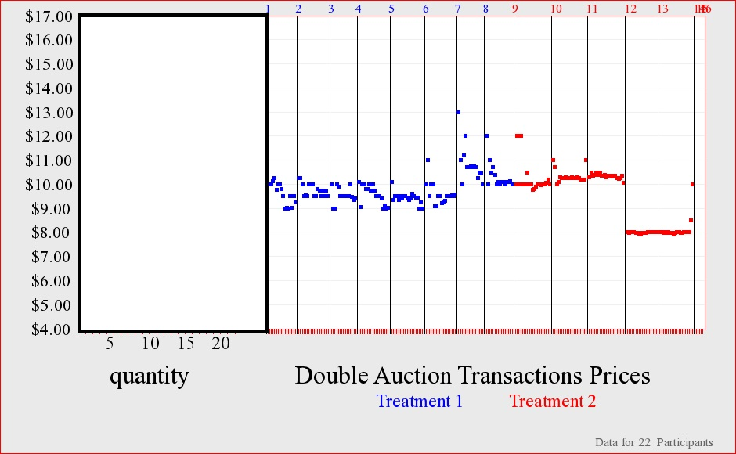
 | SELLERS |  |  |  | TRANSACTION SEQUENCE
ID | Unit | Cost | Market_Price | Earnings
12 | 1 | 9 | 10.25 | 1.25
13 | 1 | 6 | 10 | 4
13 | 2 | 8 | 10.01 | 2.01
14 | 1 | 4 | 10 | 6
14 | 2 | 6 | 10 | 4
15 | 1 | 5 | 9.02 | 4.02
15 | 2 | 5 | 9.25 | 4.25
16 | 1 | 4 | 9 | 5
17 | 1 | 6 | 10 | 4
17 | 2 | 7 | 9.5 | 2.5
18 | 1 | 6 | 9.52 | 3.52
18 | 2 | 6 | 9.01 | 3.01
19 | 1 | 5 | 9.76 | 4.76
19 | 2 | 6 | 9 | 3
20 | 1 | 5 | 9.8 | 4.8
20 | 2 | 8 | 9.5 | 1.5
22 | 1 | 5 | 10.12 | 5.12
 |  |  | Total = | 62.74
...
 | SELLERS |  |  |  | TRANSACTION SEQUENCE
12 | 1 | 5 | 10.25 | 5.25
12 | 2 | 8 | 9.99 | 1.99
13 | 1 | 9 | 10 | 1
14 | 1 | 6 | 9.5 | 3.5
14 | 2 | 8 | 9.51 | 1.51
15 | 1 | 4 | 10.26 | 6.26
15 | 2 | 6 | 10 | 4
...

