Formulas and Instructions
Key Task | Formula Used | Note
Auto Update Law School Tracker based on individual school tracking updates. Example: On the specific school tab I have updated that my application has been submitted, this will now automatically update the main law school tracker checkbox to reflect that it has been submitted. | 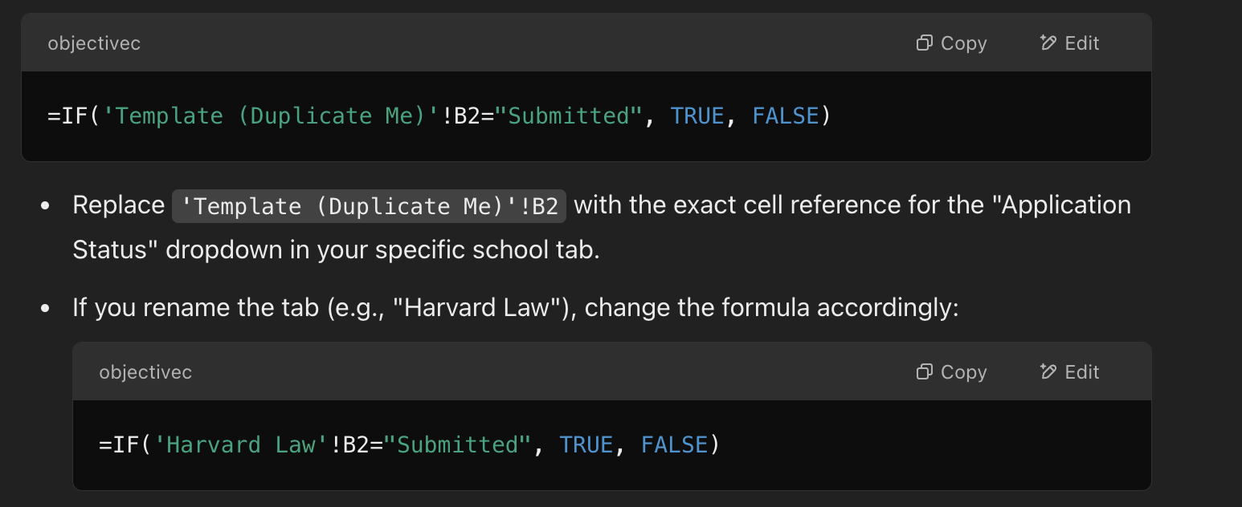 | You will need to make this unique for every specific tab you have for individual schools.
Generate a countdown for the application deadline on the main Law School Tracker tab.

